1. Introduction

Records Management System (RMS)
Functional Requirements
Puerto Rico Police Bureau (PRPB)
RMS Modernization Project

Version 3.0-Final
Jan-24

Introduction
The purpose of this document is to describe PRPB's Functional Requirements for a new Records Management System (RMS). This document contains the following components:
Functional Capabilities Worksheet: These are brief definitions of each of the major capabilities (or functional areas) PRPB expects an RMS to provide. Detailed Requirements are aligned to these capabilities and sub-capabilities.
Response Instructions: This worksheet contains the proposer response instructions, including the definition of each response code.
Requirements (RFP): This worksheet contains the detailed descriptions of the functionality required by Records Management System to support the end users in their daily operations, as well as the placeholders where vendors can insert their responses. All other internal comments have been removed.
Acronyms: List of definitions for Acronyms used in Use Cases and associated Functional and Technical Requirements.

2. Functional Capabilities
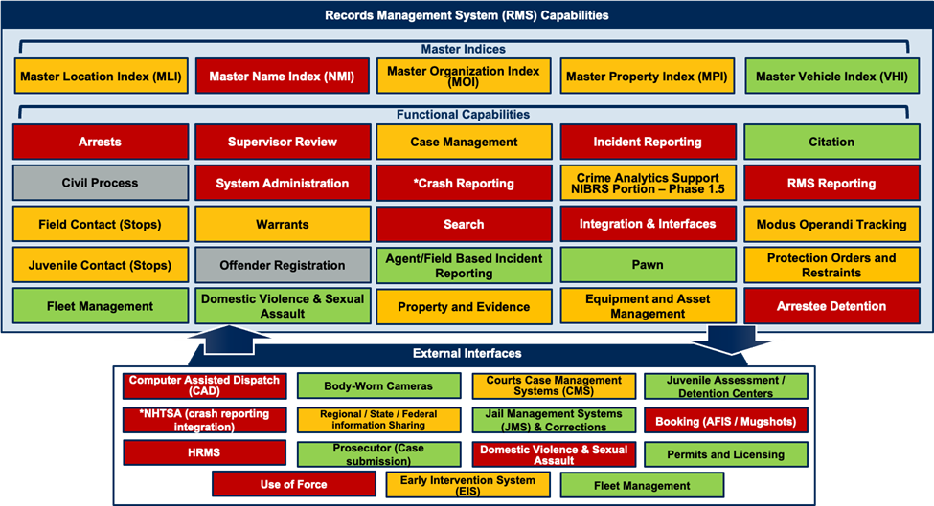
PRPB Records Management System - Capability Model

 | The legend below indicates how PRPB wishes to sequence the implementation of specific RMS capabilities. Vendors should take this into consideration in terms of their technical approach, implementation plan and cost proposals.

Capability Name | Definition
Incident Reporting | Incident reporting is the function of capturing, processing, and storing detailed information on law enforcement-related events handled by the department, including both criminal and non-criminal events.
 | The incident reporting function collects sufficient information to satisfy existing local, tribal, county, or state reporting requirements, as well as the reporting standards of the National Incident-Based Reporting System (NIBRS) program.
Agent/Field Based Incident Reporting | Agent/Field Based Incident reporting is the function of capturing, processing, and storing detailed information on law enforcement-related events handled by the department, including both criminal and non-criminal events by PRPB Agents in the Field on mobile devices. Mobile devices may include but not limited to Phones, Tablets, MDC, etc.
Case Management | Incidents that require further investigation or follow-up may be referred to an investigator before they are closed or submitted to the prosecutor for a charging decision. Information is organized under the original Incident Number or assigned Case number, which is used to link records and information with Warrants, Property and Evidence, and Field Contact.
Modus Operandi Tracking | The Modus Operandi Tracking function is designed to identify and track unique methods of operations for specific types of crime (e.g., gang activity).
Warrants | The Warrant function is designed to track warrants that the law enforcement agency will be serving and indicate the physical location of the warrant. It also tracks and records any warrant-related activity or status changes.
Arrests | It is essential that the arresting officer follow well-defined procedures that include accurately documenting and recording every step in the arrest process. The Arrest function provides a place to document the steps taken in an arrest. This complete documentation may be used to defend the legality of an arrest.
Juvenile Contact | This process is triggered by unusual or suspicious circumstances or any activity that is considered by the law enforcement officer to be of interest by a juvenile.

 | Juvenile Contacts require special handling of information about juveniles. The RMS must accommodate the need to access juvenile data distinctly from adult information. The RMS should have the ability to automatically archive juvenile information when either a requisite amount of time (as governed by state law) has passed since the entry or when the subject reaches the age of majority (whichever occurs first).
Supervisor Review | Supervisor Review is the function of reviewing, approving and/or routing the Incident and Arrest reports back to the originating Agents for revision.
Crash Reporting | Crash reporting involves the documentation of facts surrounding an accident. Typically, these are incidents that involve one or more motor vehicles but also may include pedestrians, cyclists, animals, or other objects. Crash reporting also may be referred to by the terms “collision” or “traffic accident.” The functionality also should allow the officer to collect data on the demographics of the people involved for statistical reporting in bias-based policing programs.
Citation | Individuals or organizations charged with minor offenses often are issued a citation or ticket, which requires them to pay a fine, post a bail amount, and/or appear in court on a specified date. Citations are commonly used in traffic and misdemeanor law enforcement. The Citation function should capture court data such as case number and date and record the court’s disposition of the citation.

Field Contact | Typically, this process is triggered by unusual or suspicious circumstances or any activity that is considered by the law enforcement officer to be of interest but would not otherwise be documented in the RMS as an incident. Field contacts are not subject to the same stringent review and approval process as incident reports.

Protection Orders and Restraints | This function is used to record protection orders and restraints, including anti-harassment orders and no-contact orders. All parties named in the orders and their relationship to the order must be stored in the system. The conditions of the order are stored as well. The conditions should include information such as the issuing authority, effective time period, location, distance, restrictions, and type of contact prohibited.

Integration / Interfaces | The RMS requires functionality to exchange data with other systems. The exact nature of those exchanges will, in large part, be determined by local business practices and local agency workflows. All interfaces need to comply with national standards.

RMS Reporting | The RMS Reports function documents officer and agency-wide activity or performance in a given area. Aggregated reports are conducted by line and supervisory staff and reviewed by law enforcement executives. Law enforcement personnel must be able to generate standardized reports and aggregate reports, as well as query the RMS to produce ad hoc reports from the RMS Reports.
Crime Analytics Support - NIBRS | Analytical support is the systematic process of collecting, collating, analyzing, and disseminating timely, accurate, and useful information that describes patterns, trends, problems, and potential suspects in criminal activity. The RMS should support the tools used by the analyst in this work and enforce data collection and validation compliant with NIBRS.
Search | The RMS requires functionality that allows for users to query the system by the Master Indices as well as by internally assigned tracking numbers such as: Case Number, Incident Number, Citation Number, Report Number, Permit or License Number.
System Administration | Many aspects of an RMS should be configurable so that they can be used to meet specific agency requirements. The RMS administration functions address the configurable aspects of an RMS.
 | System administration encompasses a wide array of general functions that law enforcement agencies need in an RMS to be able to create and query information effectively; to ensure appropriate access to information and system security; and to ensure effective departmental information.
Property and Evidence | Property refers to any tangible item that can be owned, consumed, or otherwise used (e.g., stolen or recovered items, currency, narcotics, vehicles, animals, and evidence of any form) that is to be tracked by the agency. The system provides the ability to accurately track all property items and verify that the evidentiary chain-of-custody requirements are met. Items are linked to either a case file or a report
Booking | Booking data captured in a law enforcement RMS are ultimately linked to the arrest report. The data to be captured includes the subject’s name and any known aliases; a physical description, including tattoos and other identifying marks; address and other contact information; date of birth; and identification data, such as a driver’s license number or social security number. Functionality may start within the RMS but will be an interface to the existing PRPB system.
Permits and Licensing | The Permits and Licenses function records and tracks the issuance of permits and licenses by the department. Examples of devices and activities that may require a license include but are not limited to electronic alarms, firearm ownership, and operating massage parlors. Examples of permits include parade, race, or demonstration permits. Functionality may start within the RMS but will be an interface to the existing PRPB system.
Pawn | Pawn functionality in RMS help law enforcement representatives identify and recover personal property that has been reported stolen. Many jurisdictions require pawnshops to register the items they receive and sell to facilitate this tracking process.
Fleet Management | Fleet management includes all vehicle types (e.g., car, motorcycle, boat, and aircraft) and generally encompasses: Tracking and issuance of fleet assets, Tracking service and maintenance schedules and history, Parts inventory and warranties, Fuel and oil inventory and usage, Vehicle disposal. Integration will be necessary between the RMS and existing PRPB Fleet Management system.
Equipment and Asset Management | Equipment and Asset Management describes the processes that the law enforcement agency uses to:
 | Record the receipt of equipment, Record the source of the equipment, Issue equipment to an organizational element or individual, Track equipment check-in or checkout, Management and tracking of equipment may be facilitated by the integration of bar-coding equipment, RFID, etc. The system should have the ability to store photographs of the equipment.
Offender Registration | Offender Registration provides a link from external database to the master indices within the RMS to allow the tracking of convicted offenders for which registration is required.
Master Indices | Within an RMS, entities are classified into master indices that correlate and aggregate information in the following areas: people, locations, property, vehicles, and organizations (including businesses and gangs). Master indices eliminate redundant data entry by allowing the reuse of previously stored information and the automatic update of the master indices upon the entry of report information.
Master Name Index (NMI) | Physical characteristics (Past and Current), Identifying Jewelry, Age at time of incident, Residence history, Employer information, Historical contact information, Associates, Organizations involved with, Alias and monikers, Available Mug shots, NCIC fingerprint classification, Immigration Status.
Master Vehicle Index (NVI) | Vehicle Identification Number (VIN) or Owner Applied Number (OAN), License plate number, License plate state, License plate year, Registered Owner, Description (make, model, color, year, style, and attributes).
Master Property Index (NPI) | Make, Model, Brand, Description, Distinguishing characteristics, Serial Numbers, NCIC property code.
Master Location Index (NLI) | Occupancy, Elevation (e.g., floor), Premise type (commercial vs. residential), Address.
Master Organization Index (NOI) | Businesses, Schools, Gangs, Clubs, Charity, Church.
Body Worn Cameras | Interface should allow for the sharing a certain meta-data and other data attributes captured by the Body-Worn Camera to be associated with the RMS and appropriate records, scenario-specific.
Computer Assisted Dispatch (CAD) | Interface should allow for CAD to push incident information to the RMS for report writing and correlate CAD Events with Incident Reports. The CAD system is also utilized within PRBP to assign investigator Agents across districts to cases. These assignments either, including initial and updated assignments, will need to be transferred to the RMS case management system and kept in sync.
Jail Management System (JMS) & Corrections | Interface should allow for information contained within master indices to be share with corrections to create a more complete history around individuals within the Criminal Justice landscape.
Juvenile Assessment / Detention Centers | Interface should allow for information contained within Arrest and Incident reports to be electronically transferred to the Juvenile Assessment / Detention Centers. to expedite the booking process.
Prosecutor (Case Submission) | Interface should allow for Investigators to electronically file cases with the prosecuting agency, including all relevant investigation case notes.
Courts Case Management Systems (CMS) | Interface should allow for the RMS to see available court dates for citations or cite and releases.
Regional / State / Federal Information Sharing | Through the RMS officers can query regional, state, or federal criminal information sharing databases and incorporate the results of those queries into incident reports.
National Highway Traffic Safety Administration (NHTSA) | Interface should allow for information contained within Incident and Crash reports to be electronically transferred to NHTSA to facilitate reporting compliance and improve reporting efficiency for PRPB.
Human Resources Management System (HRMS) | Interface should allow for information contained within the RMS for Agents and PRPB staff and electronically transferred between the HRMS to facilitate Agent locations, attributes, and assignments between the RMS and HRMS.
Use of Force (Uof) | Interface should allow for information contained captured within the Incident and Arrest reports to be electronically transferred to the PRPB Use of Force system.
Domestic Violence & Sexual Assault | Interface should allow for information contained captured within the Incident and Arrest reports to be electronically transferred to the PRPB Domestic Violence & Sexual Assault system.
Early Intervention System (EIS) | Interface should allow for information contained captured within the Incident and Arrest reports to be electronically transferred between the RMS, Use of Force system and the PRPB Early Intervention System.

